Results
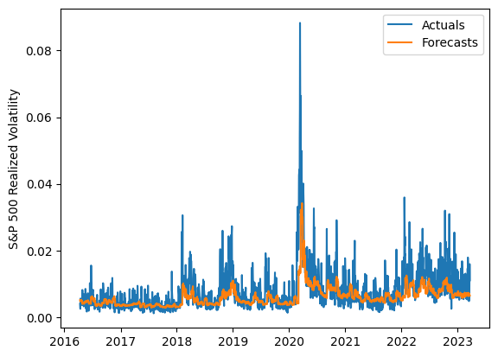
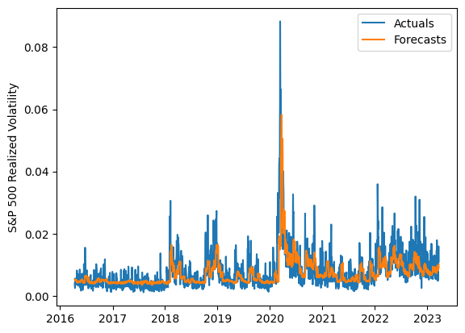
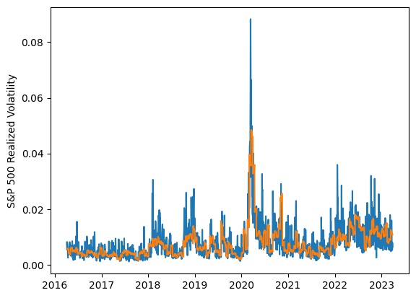
 | LSTM |  |  | TCN |  |  | NBEATSx |  |  |  |  | LSTM |  |  | TCN |  |  | NBEATSx
 | Accuracy | RMSE | Qlike | Accuracy | RMSE | Qlike | Accuracy | RMSE | Qlike |  |  | Accuracy | RMSE | Qlike | Accuracy | RMSE | Qlike | Accuracy | RMSE | Qlike
Trial 1 | 58.68% | 0.30% | 12.61% | 54.73% | 0.32% | 14.04% | 59.18% | 0.30% | 13.00% |  | Mean | 55.31% | 0.308% | 0.138 | 51.23% | 0.323% | 0.153 | 59.33% | 0.297% | 0.126
Trial 2 | 53.27% | 0.31% | 14.46% | 50.07% | 0.32% | 15.82% | 59.54% | 0.30% | 12.34% |  | Standard Deviation | 3.91% | 0.006% | 0.013 | 4.27% | 0.012% | 0.016 | 0.58% | 0.003% | 0.003
Trial 3 | 53.65% | 0.31% | 14.25% | 55.75% | 0.31% | 13.47% | 60.32% | 0.30% | 13.05% |  | 95% CI upper bound | 63.13% | 0.320% | 0.163 | 59.76% | 0.348% | 0.186 | 60.49% | 0.302% | 0.132
Trial 4 | 58.69% | 0.30% | 12.68% | 41.42% | 0.36% | 19.12% | 58.35% | 0.30% | 12.78% |  | 95% CI lower bound | 47.49% | 0.296% | 0.113 | 42.69% | 0.298% | 0.120 | 58.16% | 0.292% | 0.120
Trial 5 | 50.50% | 0.32% | 15.47% | 55.90% | 0.31% | 13.76% | 59.40% | 0.30% | 12.43% |  | 99.7% CI upper bound | 67.04% | 0.326% | 0.176 | 64.03% | 0.360% | 0.203 | 61.07% | 0.305% | 0.136
Trial 6 | 48.73% | 0.32% | 16.17% | 46.51% | 0.33% | 17.09% | 59.08% | 0.30% | 13.04% |  | 99.7% CI lower bound | 43.58% | 0.290% | 0.100 | 38.42% | 0.285% | 0.104 | 57.58% | 0.289% | 0.117
Trial 7 | 54.14% | 0.31% | 14.11% | 50.56% | 0.32% | 15.60% | 58.58% | 0.30% | 12.96%
Trial 8 | 57.79% | 0.30% | 12.81% | 54.38% | 0.31% | 14.03% | 59.26% | 0.30% | 12.47%
Trial 9 | 53.48% | 0.31% | 14.37% | 48.95% | 0.33% | 16.24% | 60.38% | 0.29% | 12.39%
Trial 10 | 60.79% | 0.30% | 12.09% | 48.33% | 0.32% | 16.45% | 59.06% | 0.30% | 12.72%
Trial 11 | 56.18% | 0.30% | 13.39% | 53.54% | 0.32% | 14.32% | 59.80% | 0.29% | 12.54%
Trial 12 | 51.97% | 0.31% | 14.89% | 50.27% | 0.32% | 15.83% | 58.69% | 0.30% | 12.69%
Trial 13 | 57.71% | 0.30% | 12.92% | 50.69% | 0.32% | 15.53% | 59.70% | 0.29% | 12.42%
Trial 14 | 51.86% | 0.31% | 14.84% | 49.25% | 0.33% | 16.00% | 59.02% | 0.30% | 12.00%
Trial 15 | 62.18% | 0.31% | 12.07% | 58.01% | 0.30% | 12.66% | 59.57% | 0.30% | 12.74%

 | LSTM (best trial) |  |  |  |  |  |  |  |  | TCN (best trial) |  |  |  |  |  |  |  |  | NBEATSx (best trial)

